size_rank_quarterly
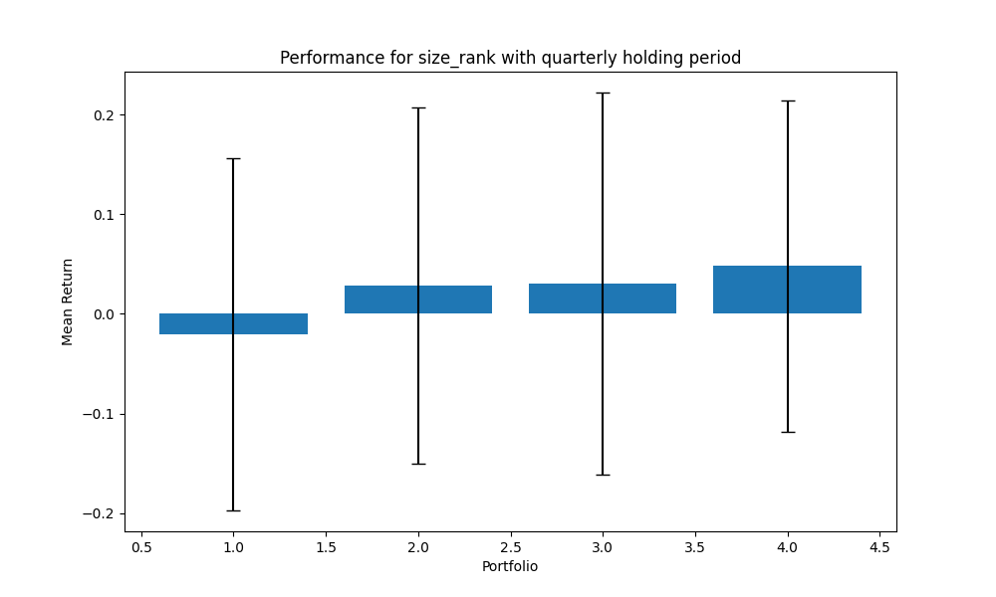
portfolio | mean | std | sharpe | mean_close
1 | -0.020323658938 | 0.17691009857 | -0.11488128209 | 653.10318007
2 | 0.028690186973 | 0.17885538937 | 0.16040996625 | 147.70961645
3 | 0.030348972903 | 0.19171971157 | 0.15829865722 | 512.56004359
4 | 0.047870247612 | 0.16580148148 | 0.28872026465 | 4230.5702818
 | 0.021646437137

size_rank_yearly
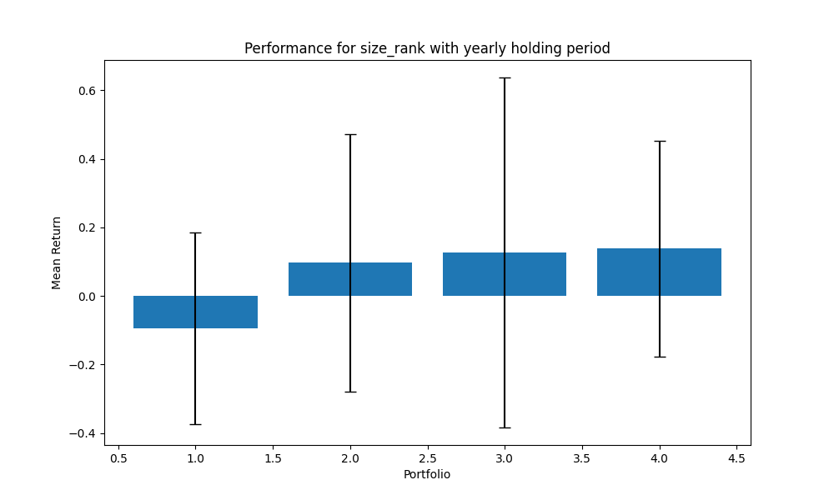
portfolio | mean | std | sharpe | mean_close
1 | -0.09379473322 | 0.27996803378 | -0.33501943759 | 653.10318007
2 | 0.097502936634 | 0.37543719486 | 0.25970505312 | 147.70961645
3 | 0.12687686589 | 0.51039662577 | 0.24858484458 | 512.56004359
4 | 0.13786207566 | 0.31359574657 | 0.43961717327 | 4230.5702818
 | 0.06711178624

size_rank_2_years
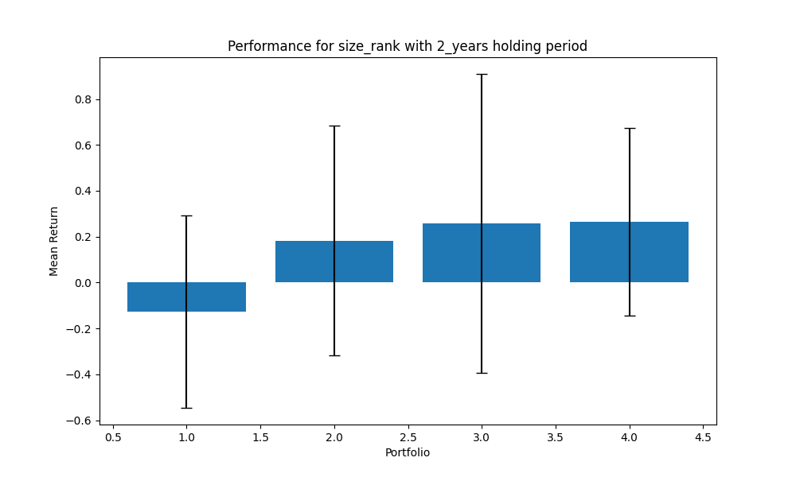
portfolio | mean | std | sharpe | mean_close
1 | -0.12628365518 | 0.41990479821 | -0.3007435393 | 653.10318007
2 | 0.18295567077 | 0.50077139912 | 0.36534768378 | 147.70961645
3 | 0.25819242957 | 0.65100849041 | 0.39660378224 | 512.56004359
4 | 0.26535420993 | 0.40891825025 | 0.6489175031 | 4230.5702818
 | 0.14505466377

size_rank_3_years
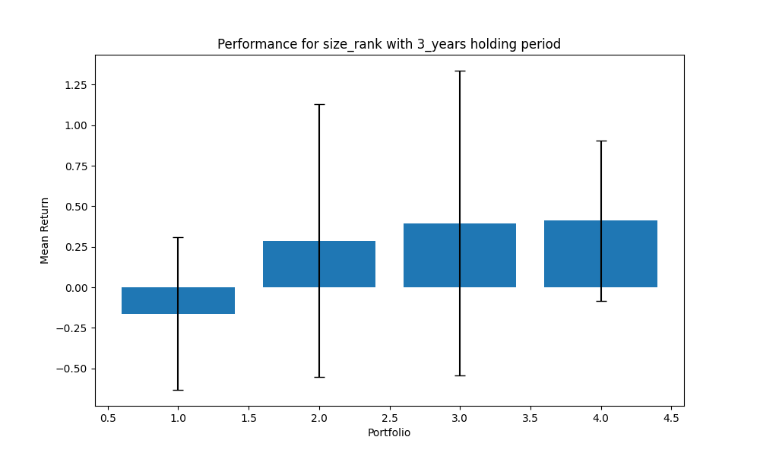
portfolio | mean | std | sharpe | mean_close
1 | -0.16263147185 | 0.47022712938 | -0.34585727128 | 653.10318007
2 | 0.28841333178 | 0.84158818687 | 0.34270125969 | 147.70961645
3 | 0.39540778038 | 0.94098014893 | 0.42020841866 | 512.56004359
4 | 0.41118526314 | 0.49553309006 | 0.82978366407 | 4230.5702818
 | 0.23309372586

size_rank_5_years
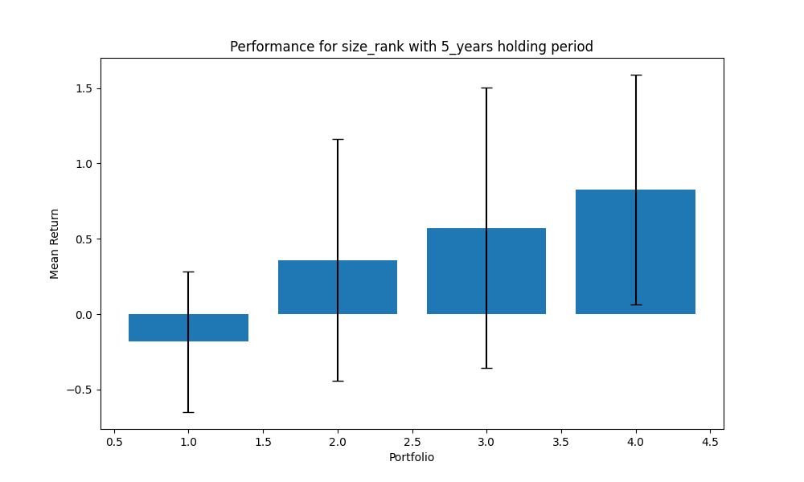
portfolio | mean | std | sharpe | mean_close
1 | -0.18242119678 | 0.46737337839 | -0.39031148374 | 653.10318007
2 | 0.35808468624 | 0.80205656989 | 0.44645814233 | 147.70961645
3 | 0.5727660367 | 0.92819158503 | 0.61707738568 | 512.56004359
4 | 0.82602821692 | 0.76277062406 | 1.0829313438 | 4230.5702818
 | 0.39361443577

value_rank_quarterly
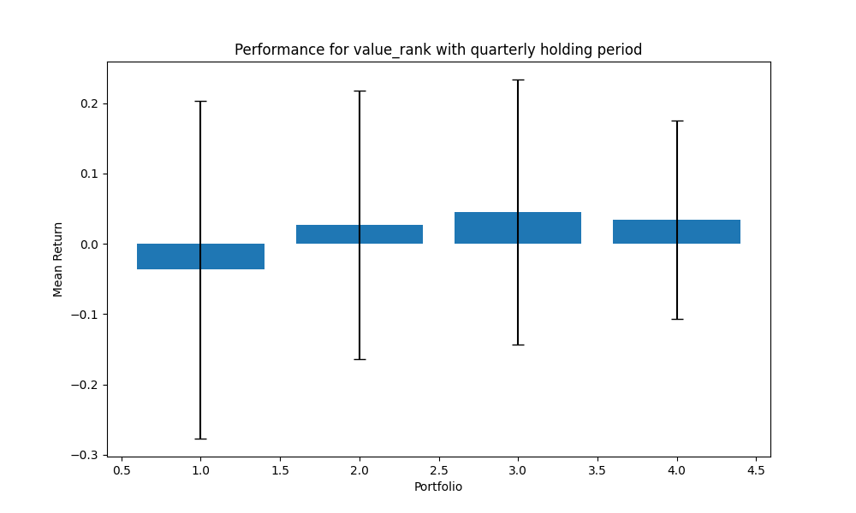
portfolio | mean | std | sharpe | mean_close
1 | -0.036812936941 | 0.24035397351 | -0.15316134118 | 273.0402578
2 | 0.026927406035 | 0.19076549867 | 0.14115448665 | 775.4522728
3 | 0.044832634176 | 0.18869160293 | 0.23759739956 | 162.4643889
4 | 0.034298892127 | 0.14115436096 | 0.2429885403 | 2934.4784275
 | 0.017311498849

value_rank_yearly
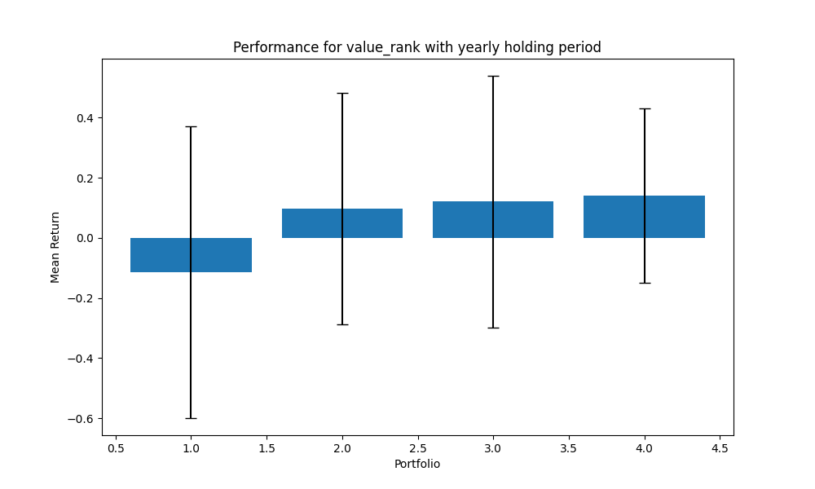
portfolio | mean | std | sharpe | mean_close
1 | -0.11481543461 | 0.48487318652 | -0.23679476986 | 273.0402578
2 | 0.097920188266 | 0.3856026456 | 0.25394065467 | 775.4522728
3 | 0.12085011193 | 0.4186520239 | 0.28866482192 | 162.4643889
4 | 0.14079255631 | 0.29143469328 | 0.48310156461 | 2934.4784275
 | 0.061186855471

value_rank_2_years
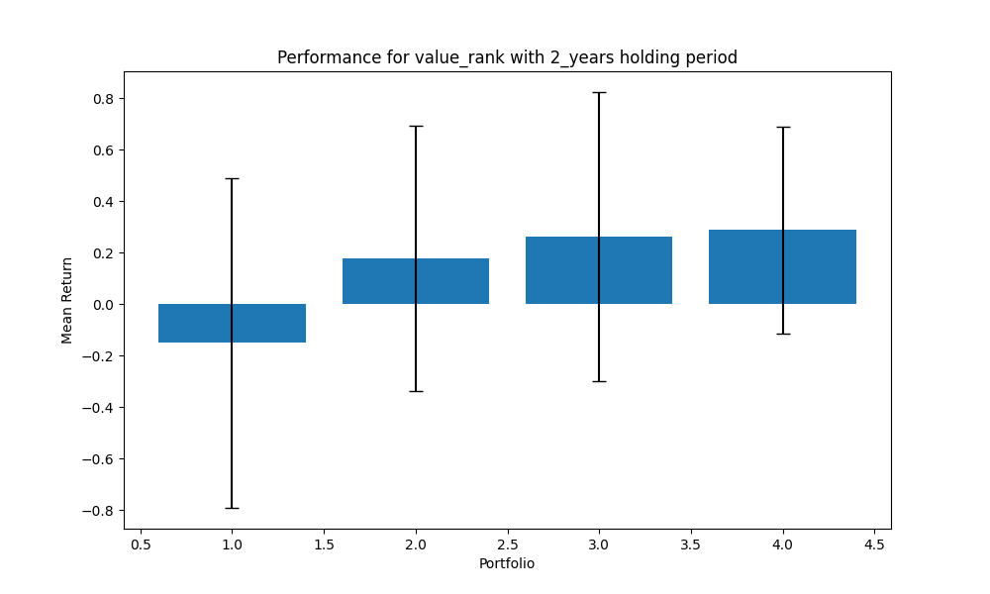
portfolio | mean | std | sharpe | mean_close
1 | -0.14951113719 | 0.64098822827 | -0.23325098745 | 273.0402578
2 | 0.17846100887 | 0.51581796704 | 0.34597672101 | 775.4522728
3 | 0.2632031414 | 0.56113731699 | 0.46905299903 | 162.4643889
4 | 0.28802615192 | 0.40124966387 | 0.7178227868 | 2934.4784275
 | 0.14504479125

value_rank_3_years
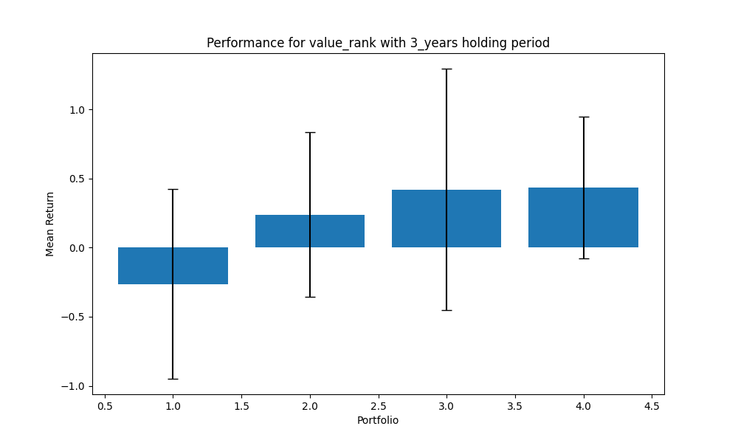
portfolio | mean | std | sharpe | mean_close
1 | -0.2633044148 | 0.68579389895 | -0.38394102834 | 273.0402578
2 | 0.23945314953 | 0.59579929277 | 0.4019023729 | 775.4522728
3 | 0.42073286142 | 0.875008803 | 0.48083271846 | 162.4643889
4 | 0.43516248691 | 0.51334237011 | 0.84770420727 | 2934.4784275
 | 0.20801102077

value_rank_5_years
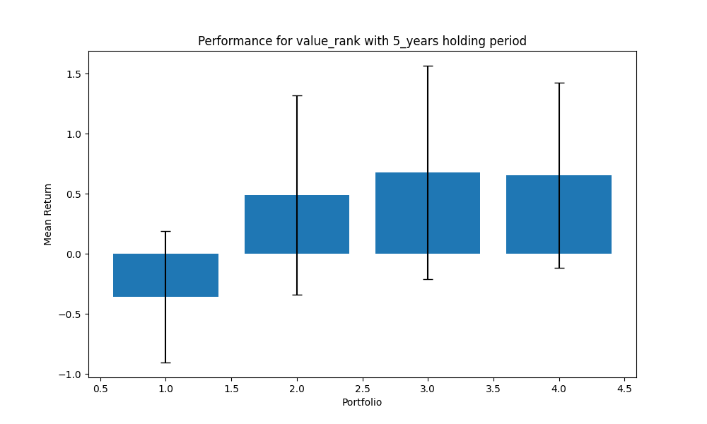
portfolio | mean | std | sharpe | mean_close
1 | -0.35786224862 | 0.54674868291 | -0.65452786592 | 273.0402578
2 | 0.48995866823 | 0.8281934158 | 0.59159932799 | 775.4522728
3 | 0.67898867358 | 0.8882739919 | 0.76439103223 | 162.4643889
4 | 0.65504698541 | 0.76932355261 | 0.8514583795 | 2934.4784275
 | 0.36653301965

profitability_rank_quarterly
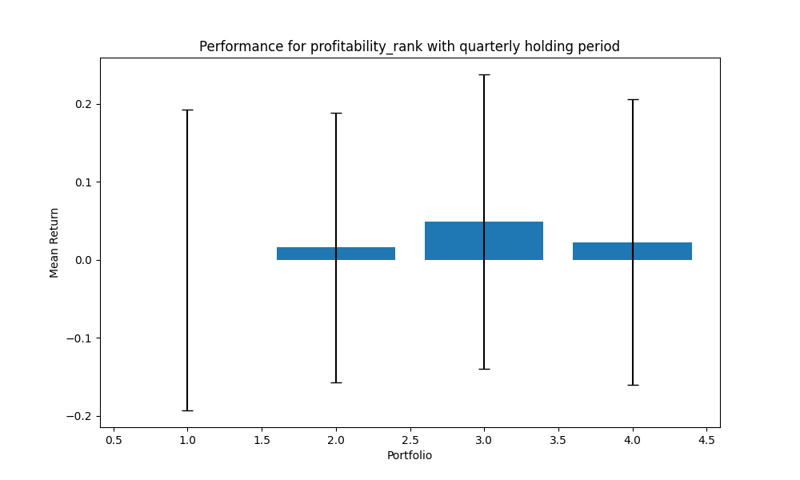
portfolio | mean | std | sharpe | mean_close
1 | -0.00046239289792 | 0.19274595242 | -0.0023989759169 | 249.75257376
2 | 0.015821734493 | 0.17280474656 | 0.091558448522 | 200.05425918
3 | 0.049086997288 | 0.18858571187 | 0.26029011849 | 396.92403106
4 | 0.022698434322 | 0.18340401342 | 0.12376192809 | 3160.4183142
 | 0.021786193301

profitability_rank_yearly
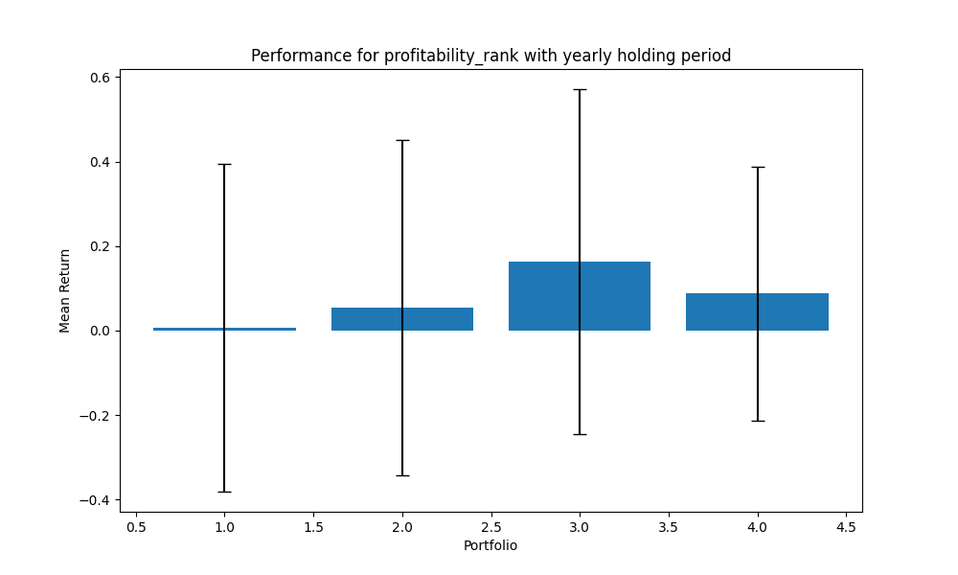
portfolio | mean | std | sharpe | mean_close
1 | 0.0063568787852 | 0.38716870032 | 0.016418886082 | 249.75257376
2 | 0.054121096403 | 0.39636310255 | 0.13654423445 | 200.05425918
3 | 0.16330959112 | 0.40790479702 | 0.4003620264 | 396.92403106
4 | 0.087331194192 | 0.30008854226 | 0.29101808931 | 3160.4183142
 | 0.077779690124

profitability_rank_2_years
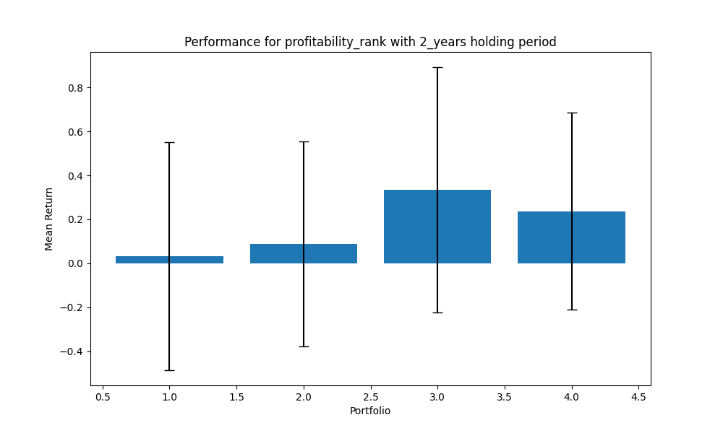
portfolio | mean | std | sharpe | mean_close
1 | 0.03226059983 | 0.51937016825 | 0.062114849489 | 249.75257376
2 | 0.088208057914 | 0.46563676161 | 0.18943533928 | 200.05425918
3 | 0.33484033751 | 0.5588268209 | 0.59918444316 | 396.92403106
4 | 0.23732219714 | 0.44861196831 | 0.52901441313 | 3160.4183142
 | 0.1731577981

profitability_rank_3_years
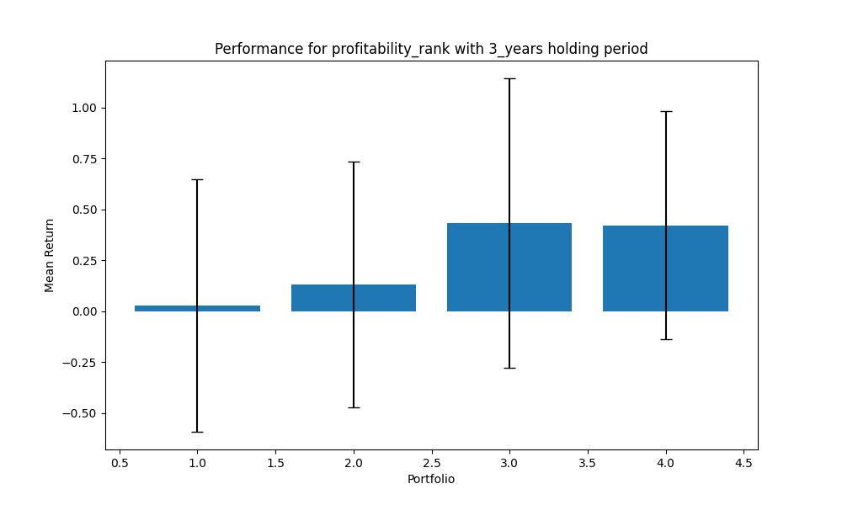
portfolio | mean | std | sharpe | mean_close
1 | 0.027602384417 | 0.6201324094 | 0.044510469053 | 249.75257376
2 | 0.13086408198 | 0.60263015851 | 0.21715488369 | 200.05425918
3 | 0.4330723972 | 0.71001895304 | 0.6099448407 | 396.92403106
4 | 0.42177211188 | 0.5615047786 | 0.75114607739 | 3160.4183142
 | 0.25332774387

profitability_rank_5_years
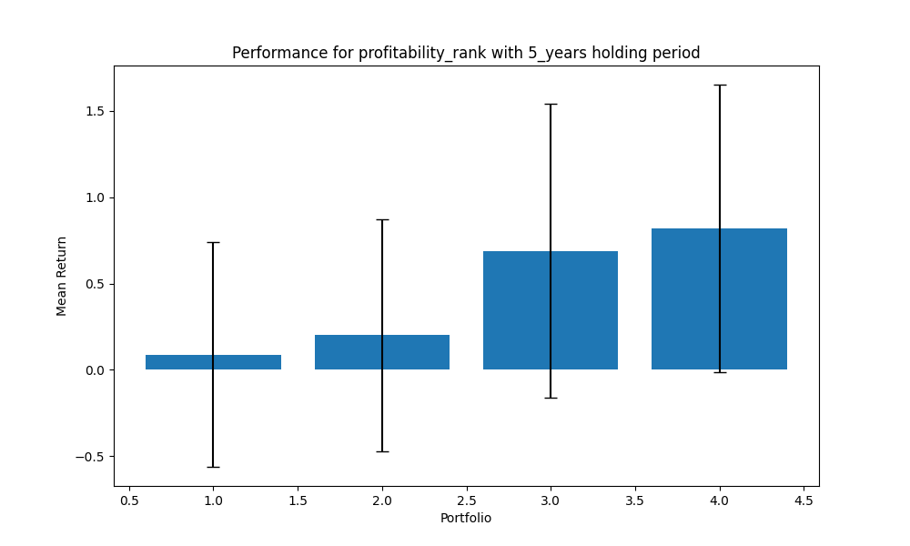
portfolio | mean | std | sharpe | mean_close
1 | 0.08812816554 | 0.65059645412 | 0.1354574944 | 249.75257376
2 | 0.19973180136 | 0.67162816905 | 0.29738449125 | 200.05425918
3 | 0.68984093852 | 0.8505384546 | 0.81106378529 | 396.92403106
4 | 0.81860714817 | 0.83393898978 | 0.98161515194 | 3160.4183142
 | 0.4490770134

momentum_rank_quarterly
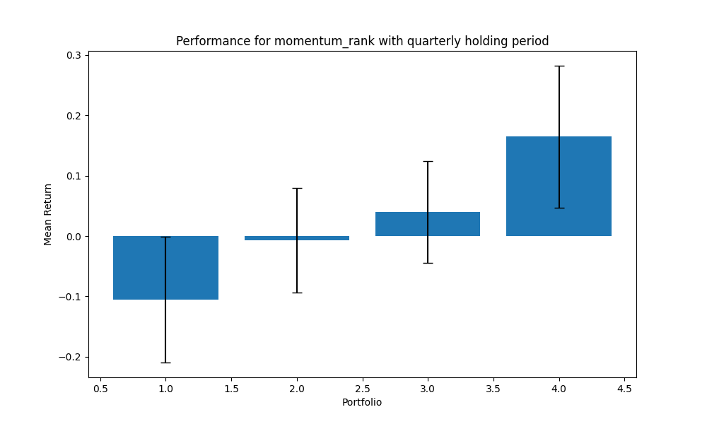
portfolio | mean | std | sharpe | mean_close
1 | -0.1053345948 | 0.10420275587 | -1.0108618906 | 15485.89875
2 | -0.0069113982804 | 0.086193423637 | -0.080184751792 | 7592.8477695
3 | 0.040044798475 | 0.084029842828 | 0.47655448501 | 5318.3374969
4 | 0.16461937153 | 0.11763879013 | 1.3993630107 | 7595.8066497
 | 0.023104544231

momentum_rank_yearly
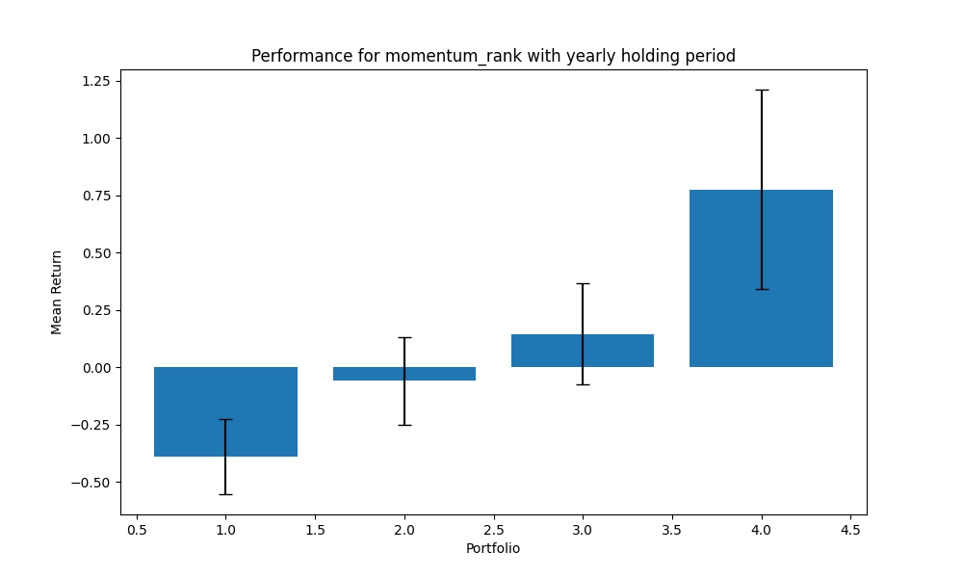
portfolio | mean | std | sharpe | mean_close
1 | -0.38986733635 | 0.16353472149 | -2.3840034263 | 15485.89875
2 | -0.059086203105 | 0.19032756106 | -0.31044480777 | 7592.8477695
3 | 0.14460851714 | 0.22001473884 | 0.6572674081 | 5318.3374969
4 | 0.77612783297 | 0.43494988564 | 1.7844074883 | 7595.8066497
 | 0.11794570266

momentum_rank_2_years
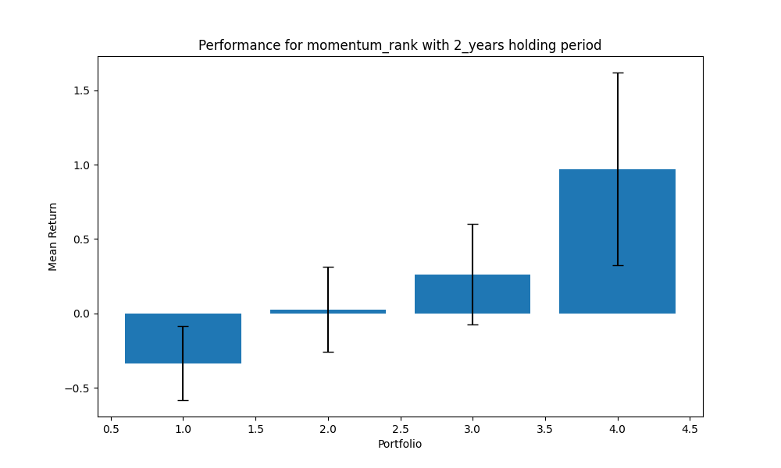
portfolio | mean | std | sharpe | mean_close
1 | -0.33472762733 | 0.24832992182 | -1.3479150031 | 15485.89875
2 | 0.027737286035 | 0.2857146742 | 0.097080369123 | 7592.8477695
3 | 0.26330246012 | 0.33810467171 | 0.77876019515 | 5318.3374969
4 | 0.97137347385 | 0.64764826016 | 1.4998472683 | 7595.8066497
 | 0.23192139817

momentum_rank_3_years
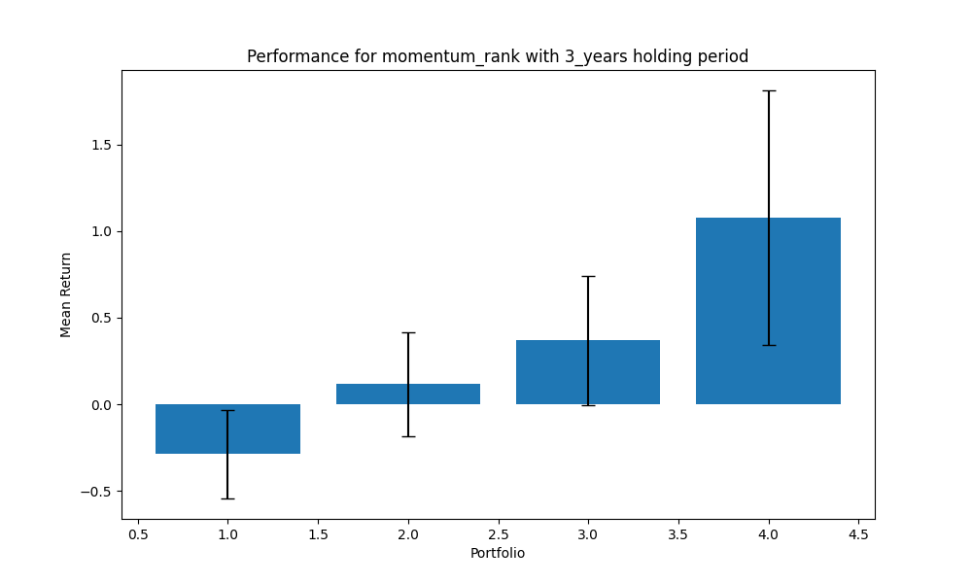
portfolio | mean | std | sharpe | mean_close
1 | -0.28776495619 | 0.25576655773 | -1.1251078278 | 15485.89875
2 | 0.11553206323 | 0.30207711342 | 0.38245884278 | 7592.8477695
3 | 0.36798358025 | 0.37165422155 | 0.99012350436 | 5318.3374969
4 | 1.0780462986 | 0.7334875719 | 1.469754008 | 7595.8066497
 | 0.31844924647

momentum_rank_5_years
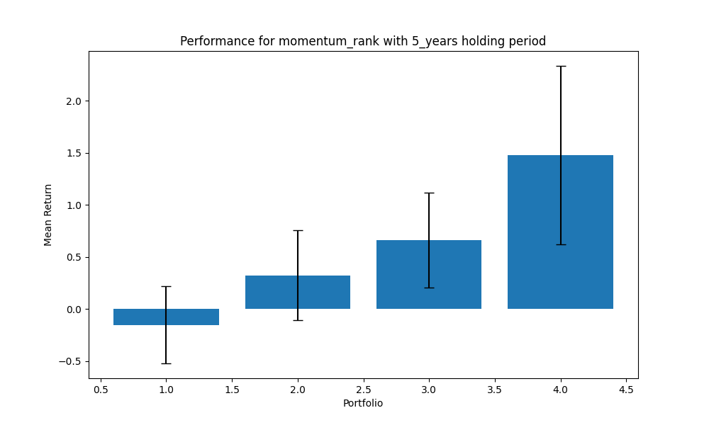
portfolio | mean | std | sharpe | mean_close
1 | -0.15226354005 | 0.36905542338 | -0.41257635142 | 15485.89875
2 | 0.32475591061 | 0.43003132208 | 0.75519129407 | 7592.8477695
3 | 0.66310205742 | 0.45647550655 | 1.4526563811 | 5318.3374969
4 | 1.4800925631 | 0.85567168195 | 1.7297435387 | 7595.8066497
 | 0.57892174777

volatility_rank_quarterly
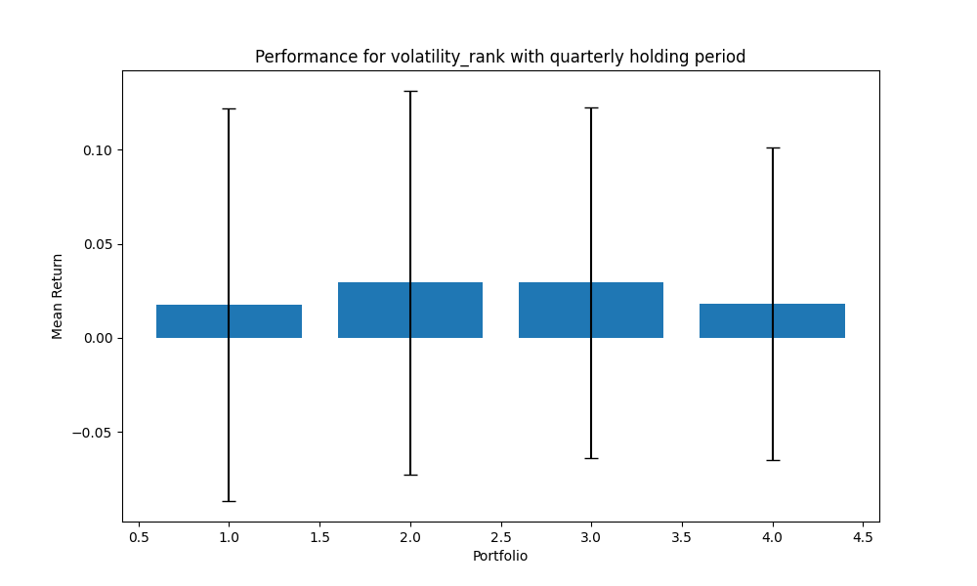
portfolio | mean | std | sharpe | mean_close
1 | 0.017453015244 | 0.1043080551 | 0.16732183558 | 37390.639848
2 | 0.029262597673 | 0.10207127438 | 0.28668788403 | 87.912032293
3 | 0.029271940301 | 0.093449380221 | 0.31323846377 | 25.939183924
4 | 0.018204779087 | 0.08314087768 | 0.21896303714 | 10.04376861
 | 0.023548083076

volatility_rank_yearly
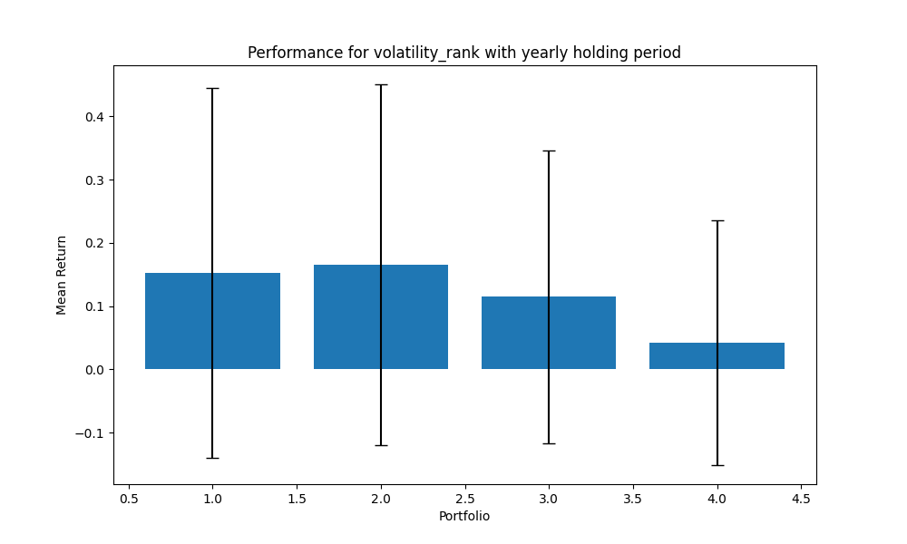
portfolio | mean | std | sharpe | mean_close
1 | 0.15217893167 | 0.29278450016 | 0.51976430305 | 37390.639848
2 | 0.16561401682 | 0.28509018586 | 0.58091798679 | 87.912032293
3 | 0.11490145462 | 0.23143324515 | 0.49647774044 | 25.939183924
4 | 0.041864269287 | 0.1934428895 | 0.21641668709 | 10.04376861
 | 0.1186396681

volatility_rank_2_years
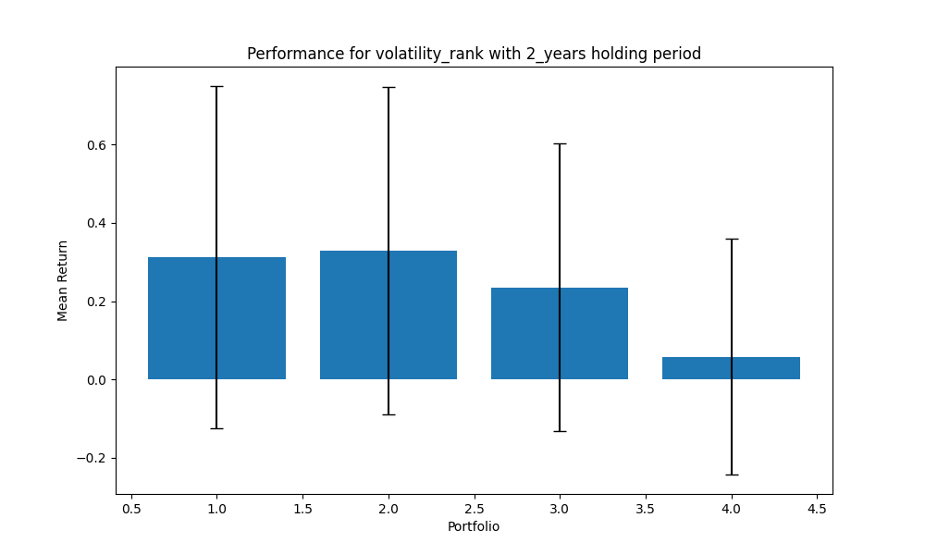
portfolio | mean | std | sharpe | mean_close
1 | 0.31268841269 | 0.43711581665 | 0.71534453978 | 37390.639848
2 | 0.3284782034 | 0.41799517841 | 0.78584208711 | 87.912032293
3 | 0.2352634349 | 0.36687670972 | 0.64126020723 | 25.939183924
4 | 0.057920699779 | 0.30093338929 | 0.19247016729 | 10.04376861
 | 0.23358768769

volatility_rank_3_years
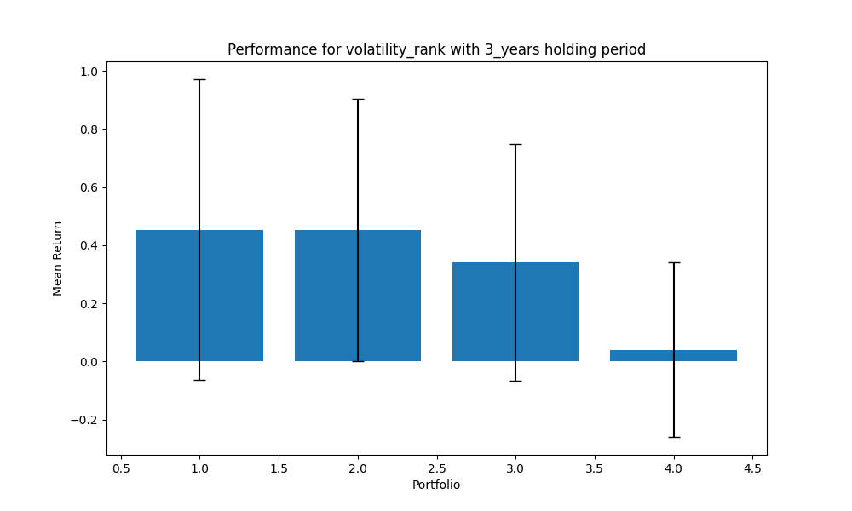
portfolio | mean | std | sharpe | mean_close
1 | 0.45368620936 | 0.51801121884 | 0.87582313443 | 37390.639848
2 | 0.45298491378 | 0.45251044412 | 1.0010485275 | 87.912032293
3 | 0.34135327748 | 0.40773128926 | 0.83720157484 | 25.939183924
4 | 0.040056716614 | 0.2999183254 | 0.13355874991 | 10.04376861
 | 0.32202027931

volatility_rank_5_years
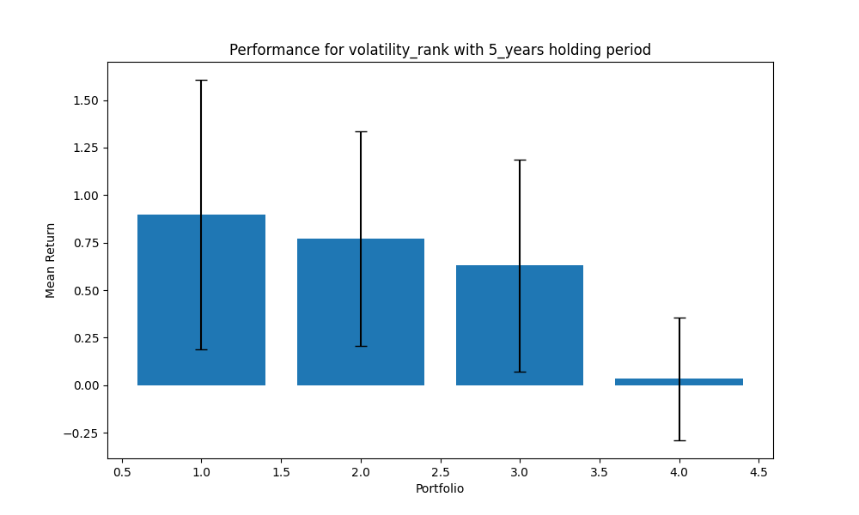
portfolio | mean | std | sharpe | mean_close
1 | 0.89822243753 | 0.70855938821 | 1.2676741745 | 37390.639848
2 | 0.77112979989 | 0.56396524731 | 1.3673356711 | 87.912032293
3 | 0.62968514017 | 0.55867924516 | 1.1270959958 | 25.939183924
4 | 0.033005298095 | 0.32309295198 | 0.10215418781 | 10.04376861
 | 0.58301066892

